TEDB Edition 40
The Greenhouse Gases, Regulated Emissions, and Energy Use in Technologies (GREET) Model

 | greet.es.anl.gov

Sponsored by the U.S. Department of Energy's Office of Energy Efficiency and Renewable Energy (EERE), Argonne has developed a full life-cycle model called GREET® (Greenhouse gases, Regulated Emissions, and Energy use in Technologies). It allows researchers and analysts to evaluate energy and environmental impacts of various vehicle and fuel combinations on a life-cycle basis. The first version of GREET was released in 1996. Since then, Argonne has continued to update and expand the model. The most recent GREET versions are GREET 1 2021 version for fuel-cycle analysis and GREET 2 2021 version for vehicle-cycle analysis.

Figure 12.2 GREET Model
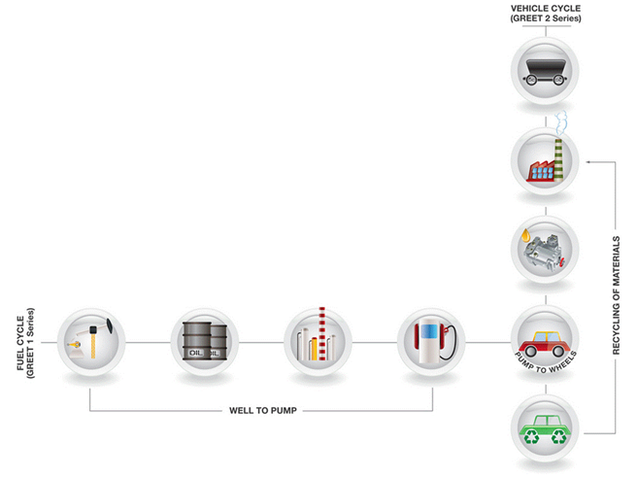

For a given vehicle and fuel system, GREET separately calculates the following:
· Consumption of total resources (energy in non-renewable and renewable sources), fossil fuels (petroleum, natural gas, and coal together), petroleum, coal, natural gas, and water.
· Emissions of CO2-equivalent greenhouse gases - primarily carbon dioxide (CO2), methane (CH4), and nitrous oxide (N2O).
· Emissions of seven criteria pollutants: volatile organic compounds (VOCs), carbon monoxide (CO), nitrogen oxide (NOx), particulate matter with size smaller than 10 micron (PM10), particulate matter with size smaller than 2.5 micron (PM2.5), black carbon (BC) and sulfur oxides (SOx).

